Graphs
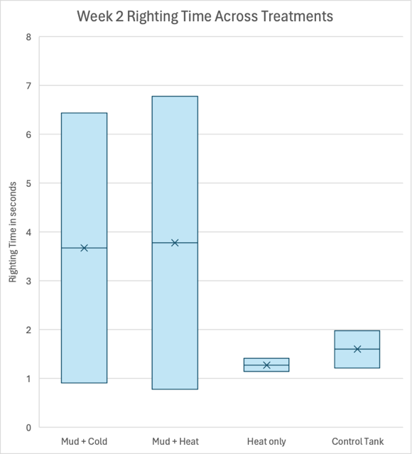
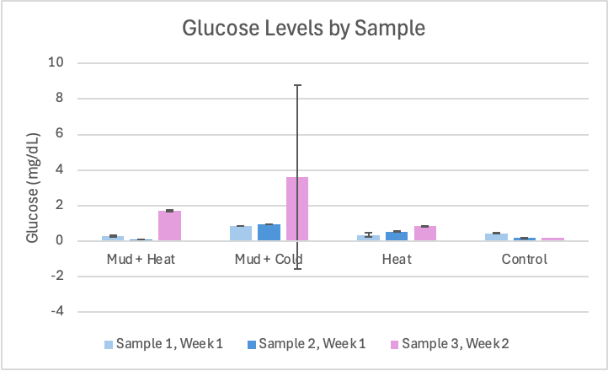

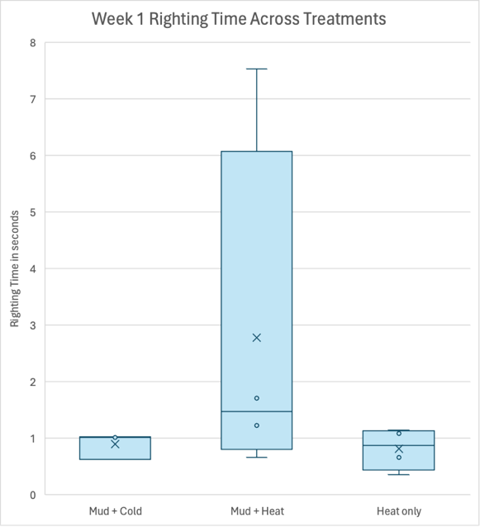
Average Resazurin Normalized by Weight
 | Mud and Heat 1 | Mud and Heat 2 | Heat 1 | Heat 2 | Mud and Cold 1 | Mud and Cold 2 | Control
30 | 136.7857227 | 81.84402924 | 201.37450665 | 130.3294574 | 265.30287195 | 225.0506219 | 216.37010676
60 | 192.8198013 | 124.2891958 | 254.46179765 | 147.2868217 | 379.24016255 | 366.7920162 | 277.58007117
90 | 243.65914225 | 157.3923639 | 308.6996167 | 176.8410853 | 486.4421784 | 495.8056118 | 325.97864769

